KMP
 | 0 | 1 | 2 | 3 | 4 | 5 | 6 | 7 | 8 | 9 | 10 | 11 | 12 | 13 | 14 | 15 | 16 | 17 | 18 | 19
text | a | b | a | c | a | a | b | a | c | c | a | b | a | c | a | b | a | a | b | b

pola | a | b | a | c | a | b

k | 0 | 1 | 2 | 3 | 4
F(k) | 0 | 0 | 1 | 0 | 1

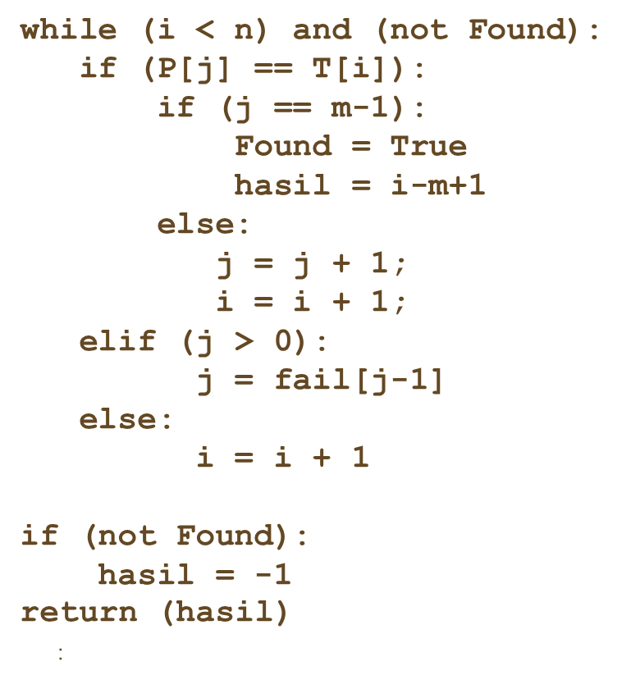
 | 0 | 1 | 2 | 3 | 4 | 5 | 6 | 7 | 8 | 9 | 10 | 11 | 12 | 13 | 14 | 15 | 16 | 17 | 18 | 19
text | a | b | a | c | a | a | b | a | c | c | a | b | a | c | a | b | a | a | b | b
 | 0 | 1 | 2 | 3 | 4 | 5
1 | a | b | a | c | a | b
 |  |  |  |  |  | i=5
 |  |  |  |  |  | j=F(4)=1

2 |  |  |  |  | a | b | a | c | a | b
 |  |  |  |  |  | i=5
 |  |  |  |  |  | j=F(0)=0

3 |  |  |  |  |  | a | b | a | c | a | b
 |  |  |  |  |  |  |  |  |  | i=9
 |  |  |  |  |  |  |  |  |  | j=F(3)=0

4 |  |  |  |  |  |  |  |  |  | a | b | a | c | a | b
 |  |  |  |  |  |  |  |  |  | i=9+1
 |  |  |  |  |  |  |  |  |  | j=0

5 |  |  |  |  |  |  |  |  |  |  | a | b | a | c | a | b |  |  |  |  | FOUND

